Spending & Hours Summary
Employee | Individual Hours | Meeting Hours | Total Hours | Individual Labour Costs (£) | Meeting Labour Costs (£) | Total Labour Costs (£) | Actual | Week 21 | Week 22 | Week 23 | Week 24 | Week 25 | Week 26 | Week 27 | Week 28 | Week 29 | Week 30 | Week 31 | Week 32 | Week 33 | Week 34 | Week 35 | Week 36 | Week 37 | Week 38 | Week 39
Jonathan | 9 | 2.5 | 11.5 | £112.50 | £31.25 | £143.75 | Development - Client Software | 12.5 | 10.25 | 0 | 0 | 0 | 0 | 0 | 0 | 0 | 0 | 0 | 0 | 0 | 0 | 0 | 0 | 0 | 0 | 0
Luke | 7 | 1.5 | 8.5 | £87.50 | £18.75 | £106.25 | Development - Server Software | 5.5 | 3 | 0 | 0 | 0 | 0 | 0 | 0 | 0 | 0 | 0 | 0 | 0 | 0 | 0 | 0 | 0 | 0 | 0
Will | 2.5 | 1 | 3.5 | £31.25 | £12.50 | £43.75 | Development Testing | 2 | 2 | 0 | 0 | 0 | 0 | 0 | 0 | 0 | 0 | 0 | 0 | 0 | 0 | 0 | 0 | 0 | 0 | 0
Srikanth | 7 | 1 | 8 | £87.50 | £12.50 | £100.00 | Integration and Testing | 4 | 6.25 | 0 | 0 | 0 | 0 | 0 | 0 | 0 | 0 | 0 | 0 | 0 | 0 | 0 | 0 | 0 | 0 | 0
Sophie | 9.5 | 1 | 10.5 | £118.75 | £12.50 | £131.25 | Documentation | 11.25 | 6 | 0 | 0 | 0 | 0 | 0 | 0 | 0 | 0 | 0 | 0 | 0 | 0 | 0 | 0 | 0 | 0 | 0
Oliver | 8 | 0.5 | 8.5 | £100.00 | £6.25 | £106.25 | Marketing | 29.5 | 12 | 0 | 0 | 0 | 0 | 0 | 0 | 0 | 0 | 0 | 0 | 0 | 0 | 0 | 0 | 0 | 0 | 0
Matteo | 9.25 | 1.75 | 11 | £115.63 | £21.88 | £137.50 | Finance | 7.5 | 2.5 | 0 | 0 | 0 | 0 | 0 | 0 | 0 | 0 | 0 | 0 | 0 | 0 | 0 | 0 | 0 | 0 | 0
Paul | 8 | 2 | 10 | £100.00 | £25.00 | £125.00 | Contracts | 3 | 0.5 | 0 | 0 | 0 | 0 | 0 | 0 | 0 | 0 | 0 | 0 | 0 | 0 | 0 | 0 | 0 | 0 | 0
Sidharth | 9 | 2.25 | 11.25 | £112.50 | £28.13 | £140.63 | Expected
Sarujan | 11.5 | 0 | 11.5 | £143.75 | £0.00 | £143.75 | Development - Client Software | 4.5 | 3.5 | 0 | 0 | 0 | 0 | 0 | 0 | 0 | 0 | 0 | 0 | 0 | 0 | 0 | 0 | 0 | 0 | 0
Fraser | 21.25 | 2.25 | 23.5 | £265.63 | £28.13 | £293.75 | Development - Server Software | 5.5 | 7 | 4 | 0 | 0 | 0 | 0 | 0 | 0 | 0 | 0 | 0 | 0 | 0 | 0 | 0 | 0 | 0 | 0
TOTAL | 102 | 15.75 | 117.75 | £1,275.00 | £196.88 | £1,471.88 | Development Testing | 10 | 10.5 | 4 | 0 | 0 | 0 | 0 | 0 | 0 | 0 | 0 | 0 | 0 | 0 | 0 | 0 | 0 | 0 | 0
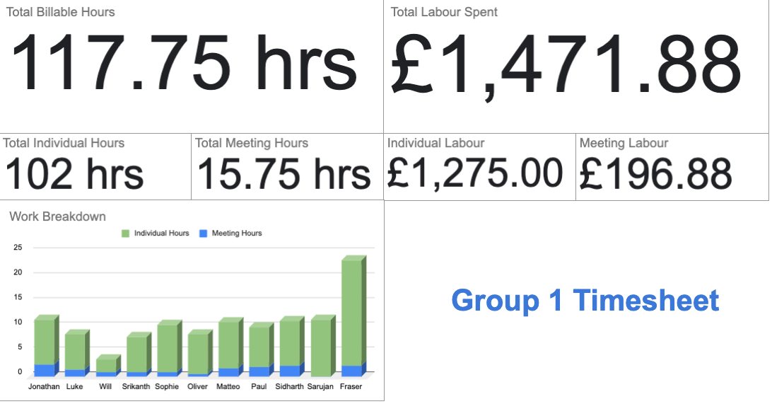
 |  |  |  |  |  |  | Integration and Testing | 0 | 0 | 0 | 9 | 9 | 0 | 0 | 0 | 0 | 12 | 0 | 0 | 0 | 0 | 0 | 0 | 0 | 0 | 0
 |  |  |  |  |  |  | Documentation | 8.25 | 5.25 | 4.25 | 6.25 | 6.25 | 5.25 | 4.75 | 3.25 | 5.25 | 7.75 | 11.25 | 7.25 | 9.25 | 8.25 | 7.25 | 8.25 | 9.25 | 0 | 0
 |  |  |  |  |  |  | Marketing | 0 | 0 | 6 | 6 | 6 | 0 | 0 | 0 | 0 | 0 | 0 | 4 | 0 | 10 | 0 | 0 | 0 | 0 | 0
 |  |  |  |  |  |  | Finance | 3 | 5 | 3 | 5 | 3 | 3 | 3 | 3 | 3 | 3 | 3 | 5 | 3 | 3 | 7 | 1 | 1 | 0 | 0
 |  |  |  |  |  |  | Contracts | 4 | 4 | 0 | 0 | 0 | 0 | 0 | 0 | 0 | 0 | 0 | 0 | 0 | 0 | 0 | 0 | 0 | 0 | 0
The subject matter for this financial report are weeks 21 & 22, which correspond to weeks 6 & 7 of the spring term. They are the weeks subsequent to the first submission of the Financial Business Plan, up to and including the week this report is due.
I have included indivual hours and the total incurred costs, not to convey personal contributions, but rather as proof of the structures we have in place for timekeeping purposes.
In our timesheets we also have a log which breaks down every task performed by each member and the hours spent, the area of development it concerns, and a description of the time they thought it would take and why they may have deviated from this estimate. I have omitted these from this report, instead providing a summary in the adjacent sheet.

